Pipe Section
Step 1
- View readme tab
- Enter the section lengths
- Enter any additional Pd (remember that there's already an allowance for fittings from the settings tab)
NB: Don't leave empty rows between sections
Before you begin, it's a good idea to have a schematic of the system sketched out (see example on Schematic Sketch tab)
Step 2 - Schematic Configuration
- Enter the sub-sections fed from each section
- Add an optional description to help you keep track of the different sections
- Enter the kW load, number of gas taps and number of gas cookers connected directly to this section
(don't worry about downstream/upstream loads, they'll be automatically included )
Step 3
- Press the magic button
- See Updated Pipe Sizes
Abra-kadabra!
Abra-kadabra!
Optional Step
- Enjoy the bonus circuit information below
Clear
Outputs
 |  |  |  |  |  |  |  |  |  |  |  |  |  |  |  |  |  |  |  |  | 45
Section Ref | Section length | Additonal Pd (enter the Pd as Pa or mBar, not both) |  | Pipe Size | Feeds Sections (leave blank if none) |  |  |  |  | Description | Served this section |  |  | Served through this section |  |  | Flowrate / Pressure / Velocity |  |  |  |  | Circuit info
 |  |  |  |  |  |  |  |  |  |  | kW Load | # Taps | # Cookers | kW Load | # Taps | # Cookers | Total Flowrate | Max Pd/m | Actual Pd/m | Actual Pd | Velocity | Circuit Sections | Circuit Length | Actual Circuit | Actual Circuit | Residual Pressure | Residual Pressure | Pd as % of pressure at meter
# | m | Pa | mbar | mm | # | # | # | # | # |  | Qty | Qty | Qty |  |  |  | m3/s | Pa/m | Pa/m | Pa | m/s | # | m | Pa/m | Pa | kPa | mBar | %
1 | 10 |  |  |  |  |  |  |  |  |  |  |  |  | 0 | 0 | 0 | 0.00000
2 |  |  |  |  |  |  |  |  |  |  |  |  |  | 0 | 0 | 0 | 0.00000
3 |  |  |  |  |  |  |  |  |  |  |  |  |  | 0 | 0 | 0 | 0.00000
4 |  |  |  |  |  |  |  |  |  |  |  |  |  | 0 | 0 | 0 | 0.00000
5 |  |  |  |  |  |  |  |  |  |  |  |  |  | 0 | 0 | 0 | 0.00000
6 |  |  |  |  |  |  |  |  |  |  |  |  |  | 0 | 0 | 0 | 0.00000
7 |  |  |  |  |  |  |  |  |  |  |  |  |  | 0 | 0 | 0 | 0.00000
8 |  |  |  |  |  |  |  |  |  |  |  |  |  | 0 | 0 | 0 | 0.00000
9 |  |  |  |  |  |  |  |  |  |  |  |  |  | 0 | 0 | 0 | 0.00000
10 |  |  |  |  |  |  |  |  |  |  |  |  |  | 0 | 0 | 0 | 0.00000
11 |  |  |  |  |  |  |  |  |  |  |  |  |  | 0 | 0 | 0 | 0.00000
12 |  |  |  |  |  |  |  |  |  |  |  |  |  | 0 | 0 | 0 | 0.00000
13 |  |  |  |  |  |  |  |  |  |  |  |  |  | 0 | 0 | 0 | 0.00000
14 |  |  |  |  |  |  |  |  |  |  |  |  |  | 0 | 0 | 0 | 0.00000
15 |  |  |  |  |  |  |  |  |  |  |  |  |  | 0 | 0 | 0 | 0.00000
16 |  |  |  |  |  |  |  |  |  |  |  |  |  | 0 | 0 | 0 | 0.00000
17 |  |  |  |  |  |  |  |  |  |  |  |  |  | 0 | 0 | 0 | 0.00000
18 |  |  |  |  |  |  |  |  |  |  |  |  |  | 0 | 0 | 0 | 0.00000
19 |  |  |  |  |  |  |  |  |  |  |  |  |  | 0 | 0 | 0 | 0.00000
20 |  |  |  |  |  |  |  |  |  |  |  |  |  | 0 | 0 | 0 | 0.00000
21 |  |  |  |  |  |  |  |  |  |  |  |  |  | 0 | 0 | 0 | 0.00000
22 |  |  |  |  |  |  |  |  |  |  |  |  |  | 0 | 0 | 0 | 0.00000
23 |  |  |  |  |  |  |  |  |  |  |  |  |  | 0 | 0 | 0 | 0.00000
24 |  |  |  |  |  |  |  |  |  |  |  |  |  | 0 | 0 | 0 | 0.00000
25 |  |  |  |  |  |  |  |  |  |  |  |  |  | 0 | 0 | 0 | 0.00000
26 |  |  |  |  |  |  |  |  |  |  |  |  |  | 0 | 0 | 0 | 0.00000
27 |  |  |  |  |  |  |  |  |  |  |  |  |  | 0 | 0 | 0 | 0.00000
28 |  |  |  |  |  |  |  |  |  |  |  |  |  | 0 | 0 | 0 | 0.00000
29 |  |  |  |  |  |  |  |  |  |  |  |  |  | 0 | 0 | 0 | 0.00000
30 |  |  |  |  |  |  |  |  |  |  |  |  |  | 0 | 0 | 0 | 0.00000
31 |  |  |  |  |  |  |  |  |  |  |  |  |  | 0 | 0 | 0 | 0.00000
32 |  |  |  |  |  |  |  |  |  |  |  |  |  | 0 | 0 | 0 | 0.00000
33 |  |  |  |  |  |  |  |  |  |  |  |  |  | 0 | 0 | 0 | 0.00000
34 |  |  |  |  |  |  |  |  |  |  |  |  |  | 0 | 0 | 0 | 0.00000
35 |  |  |  |  |  |  |  |  |  |  |  |  |  | 0 | 0 | 0 | 0.00000
36 |  |  |  |  |  |  |  |  |  |  |  |  |  | 0 | 0 | 0 | 0.00000
37 |  |  |  |  |  |  |  |  |  |  |  |  |  | 0 | 0 | 0 | 0.00000
38 |  |  |  |  |  |  |  |  |  |  |  |  |  | 0 | 0 | 0 | 0.00000
39 |  |  |  |  |  |  |  |  |  |  |  |  |  | 0 | 0 | 0 | 0.00000
40 |  |  |  |  |  |  |  |  |  |  |  |  |  | 0 | 0 | 0 | 0.00000
41 |  |  |  |  |  |  |  |  |  |  |  |  |  | 0 | 0 | 0 | 0.00000
42 |  |  |  |  |  |  |  |  |  |  |  |  |  | 0 | 0 | 0 | 0.00000
43 |  |  |  |  |  |  |  |  |  |  |  |  |  | 0 | 0 | 0 | 0.00000
44 |  |  |  |  |  |  |  |  |  |  |  |  |  | 0 | 0 | 0 | 0.00000
45 |  |  |  |  |  |  |  |  |  |  |  |  |  | 0 | 0 | 0 | 0.00000
46 |  |  |  |  |  |  |  |  |  |  |  |  |  | 0 | 0 | 0 | 0.00000
47 |  |  |  |  |  |  |  |  |  |  |  |  |  | 0 | 0 | 0 | 0.00000
48 |  |  |  |  |  |  |  |  |  |  |  |  |  | 0 | 0 | 0 | 0.00000
49 |  |  |  |  |  |  |  |  |  |  |  |  |  | 0 | 0 | 0 | 0.00000
50 |  |  |  |  |  |  |  |  |  |  |  |  |  | 0 | 0 | 0 | 0.00000

Schematic Sketch
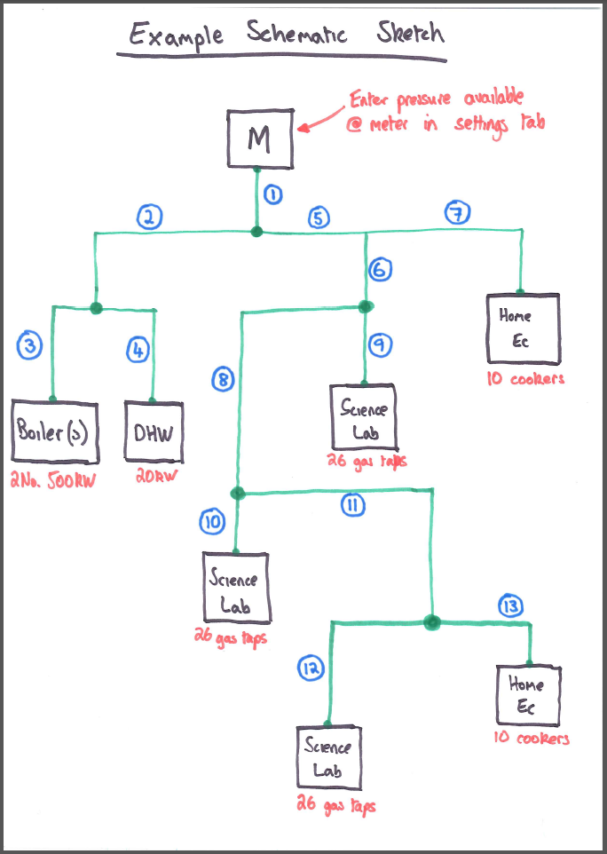
An Example Schematic Sketch is given below.

